Sheet1
Estado presente Q(t) |  |  | Estado futuro Q(t+1) |  |  | Entradas de cada flip flop |  |  |  |  |  | JC |  |  |  |  |  | KC
 |  |  |  |  |  |  |  |  |  |  |  |  | QB QA |  |  |  |  |  | QB QA
QC | QB | QA | QC | QB | QA | JC | KC | JB | KB | JA | KA | QC |  | 0 0 | 0 1 | 1 1 | 1 0 | QC |  | 0 0 | 0 1 | 1 1 | 1 0
0 | 0 | 0 | 0 | 0 | 1 | 0 | X | 0 | X | 1 | X |  | 0 | 0 | 0 | 1 | 0 |  | 0 | X | X | X | X
0 | 0 | 1 | 0 | 1 | 0 | 0 | X | 1 | X | X | 1 |  | 1 | X | X | X | X |  | 1 | 0 | 0 | 1 | 0
0 | 1 | 0 | 0 | 1 | 1 | 0 | X | X | 0 | 1 | X |  | JC = QBQA |  |  |  |  |  | KC = QBQA
0 | 1 | 1 | 1 | 0 | 0 | 1 | X | X | 1 | X | 1
1 | 0 | 0 | 1 | 0 | 1 | X | 0 | 0 | X | 1 | X
1 | 0 | 1 | 1 | 1 | 0 | X | 0 | 1 | X | X | 1
1 | 1 | 0 | 1 | 1 | 1 | X | 0 | X | 0 | 1 | X | JB |  |  |  |  |  | KB
1 | 1 | 1 | 0 | 0 | 0 | X | 1 | X | 1 | X | 1 |  | QB QA |  |  |  |  |  | QB QA
 |  |  |  |  |  |  |  |  |  |  |  | QC |  | 0 0 | 0 1 | 1 1 | 1 0 | QC |  | 0 0 | 0 1 | 1 1 | 1 0
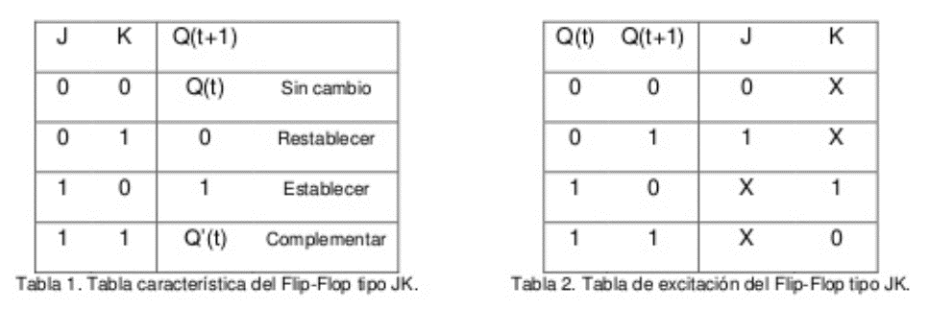
 |  |  |  |  |  |  |  |  |  |  |  |  | 0 | 0 | 1 | X | X |  | 0 | X | X | 1 | 0
 |  |  |  |  |  |  |  |  |  |  |  |  | 1 | 0 | 1 | X | X |  | 1 | X | X | 1 | 0
 |  |  |  |  |  |  |  |  |  |  |  |  | JB = QA |  |  |  |  |  | KB = QA

 |  |  |  |  |  |  |  |  |  |  |  | JA |  |  |  |  |  | KA
 |  |  |  |  |  |  |  |  |  |  |  |  | QB QA |  |  |  |  |  | QB QA
 |  |  |  |  |  |  |  |  |  |  |  | QC |  | 0 0 | 0 1 | 1 1 | 1 0 | QC |  | 0 0 | 0 1 | 1 1 | 1 0
 |  |  |  |  |  |  |  |  |  |  |  |  | 0 | 1 | X | X | 1 |  | 0 | X | 1 | 1 | X
 |  |  |  |  |  |  |  |  |  |  |  |  | 1 | 1 | X | X | 1 |  | 1 | X | 1 | 1 | X
 |  |  |  |  |  |  |  |  |  |  |  |  | JA = 1 |  |  |  |  |  | KA = 1

